BR ID 001
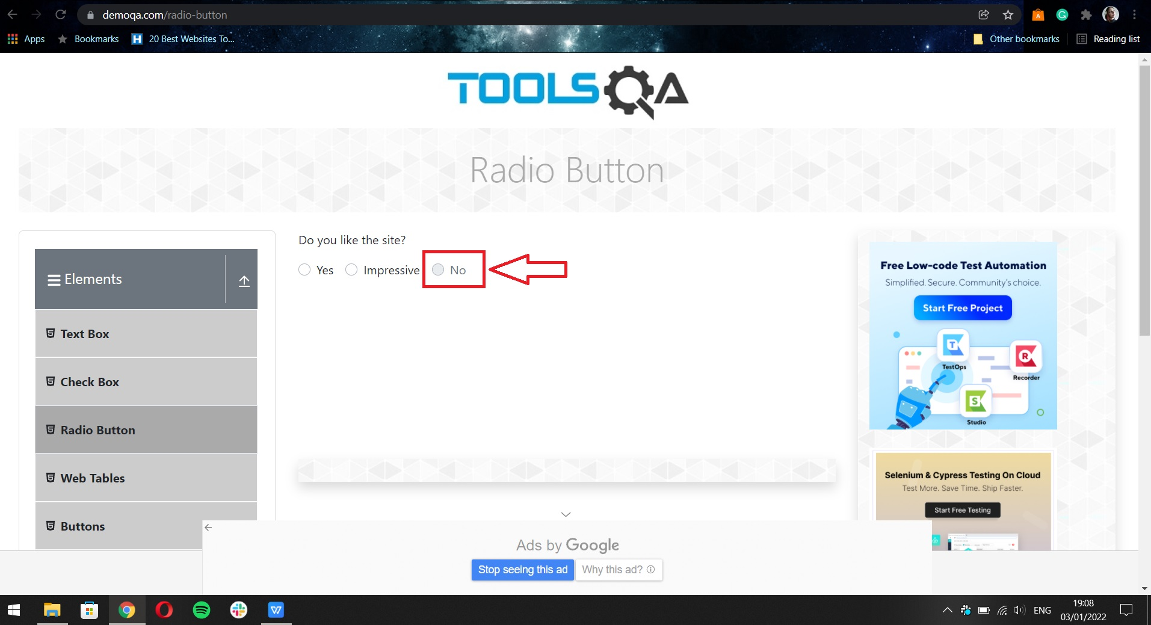
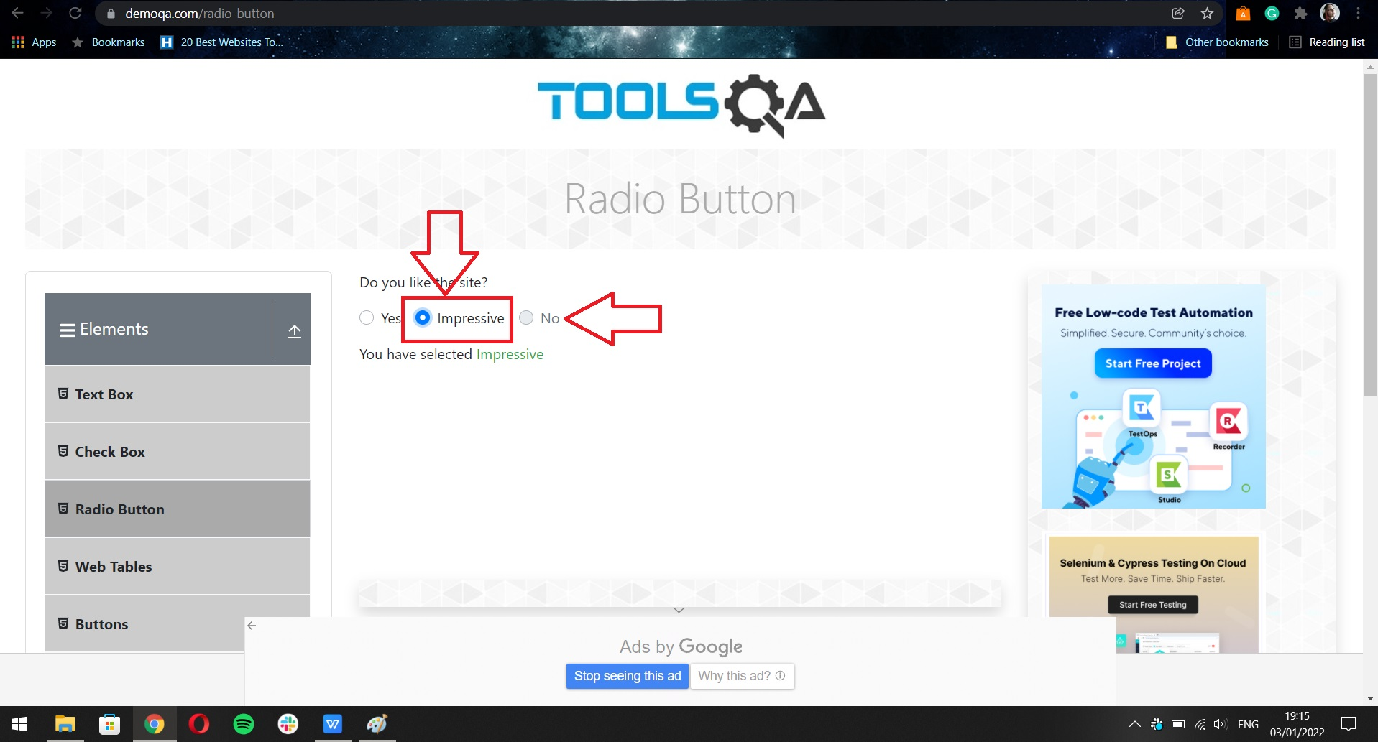
BUG REPORT ID 001
SUMMARY | User can not click on one out of three radio buttons labeled "No"
DESCRIPTION | User can not click on radio button labeled with "No" text. Two other radiobuttons can be clicked and can be seen when clicked on them, but this one can not be selected

can be found in: TC ID 9

PRECONDITION | User is on the https://demoqa.com/radio-buttonpage
STEPS TO REPRODUCE
step 1 | Click on radio button labeled with "No" text

EXPECTED RESULT | Radio button is selected, and blue dot apear in the middle of the button that confirms users selection
ACTUAL RESULT | Radio button can not be clicked
PRIORITY | low
SEVERITY | low
SCREEN SHOTS | Screenshot 1 and 2 bellow

BR ID 002
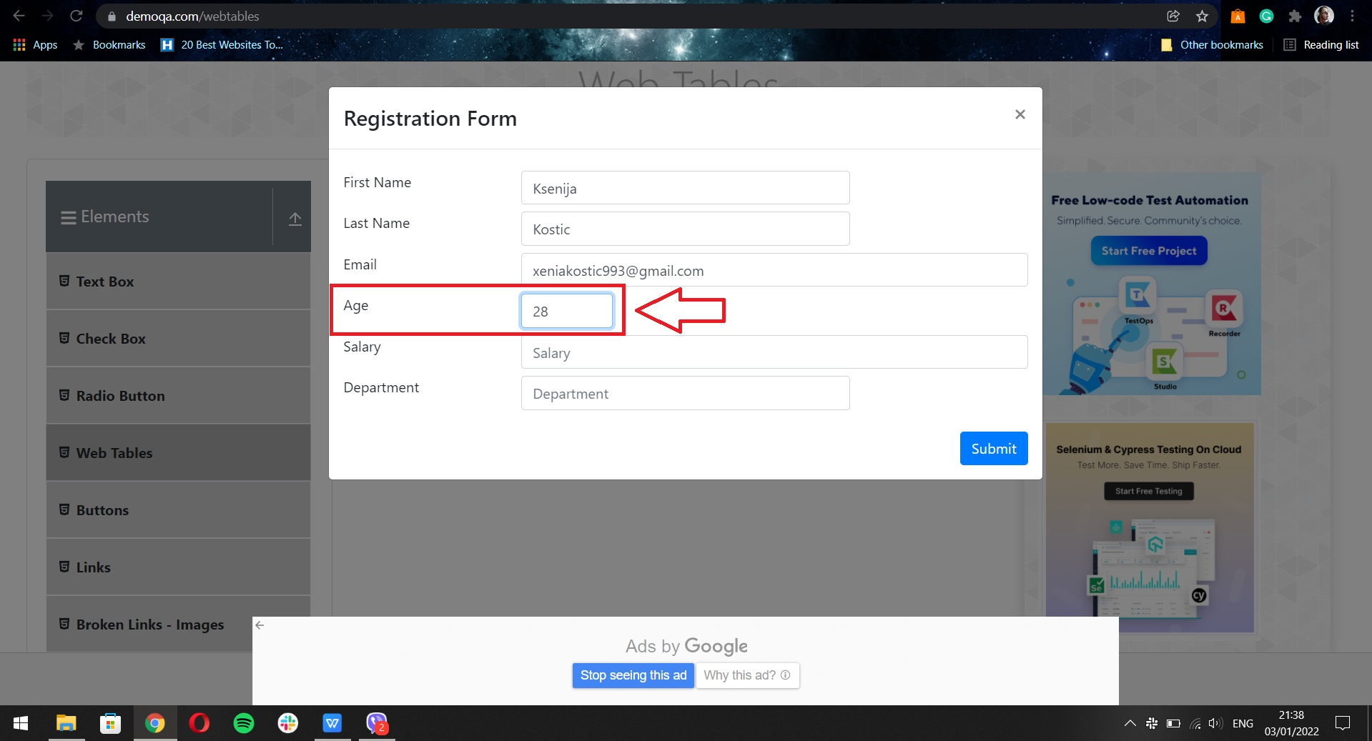
BUG REPORT ID 002
SUMMARY | Text box labeld "Age" does not allow the user to input more then 2 characters in the text box
DESCRIPTION | When on pop up page for "Registration form" in ""Web Tables" tab form "Elements" list, text box labeld "Age" doesnt allow the user to input more then 2 numbers or letters in the field

can be found in: TC ID 11

PRECONDITION | User is on the https://demoqa.com/webtables
STEPS TO REPRODUCE
step 1 | Click on "Add" button
step 2 | Click on the text box "Age" and input 3 od more numbers or letters in the text box

EXPECTED RESULT | User can add more then 2 numbers or letters in the text box
ACTUAL RESULT | User can add maximum 2 characters (numbers or letters)
PRIORITY | low
SEVERITY | low
SCREEN SHOTS

BR ID 003
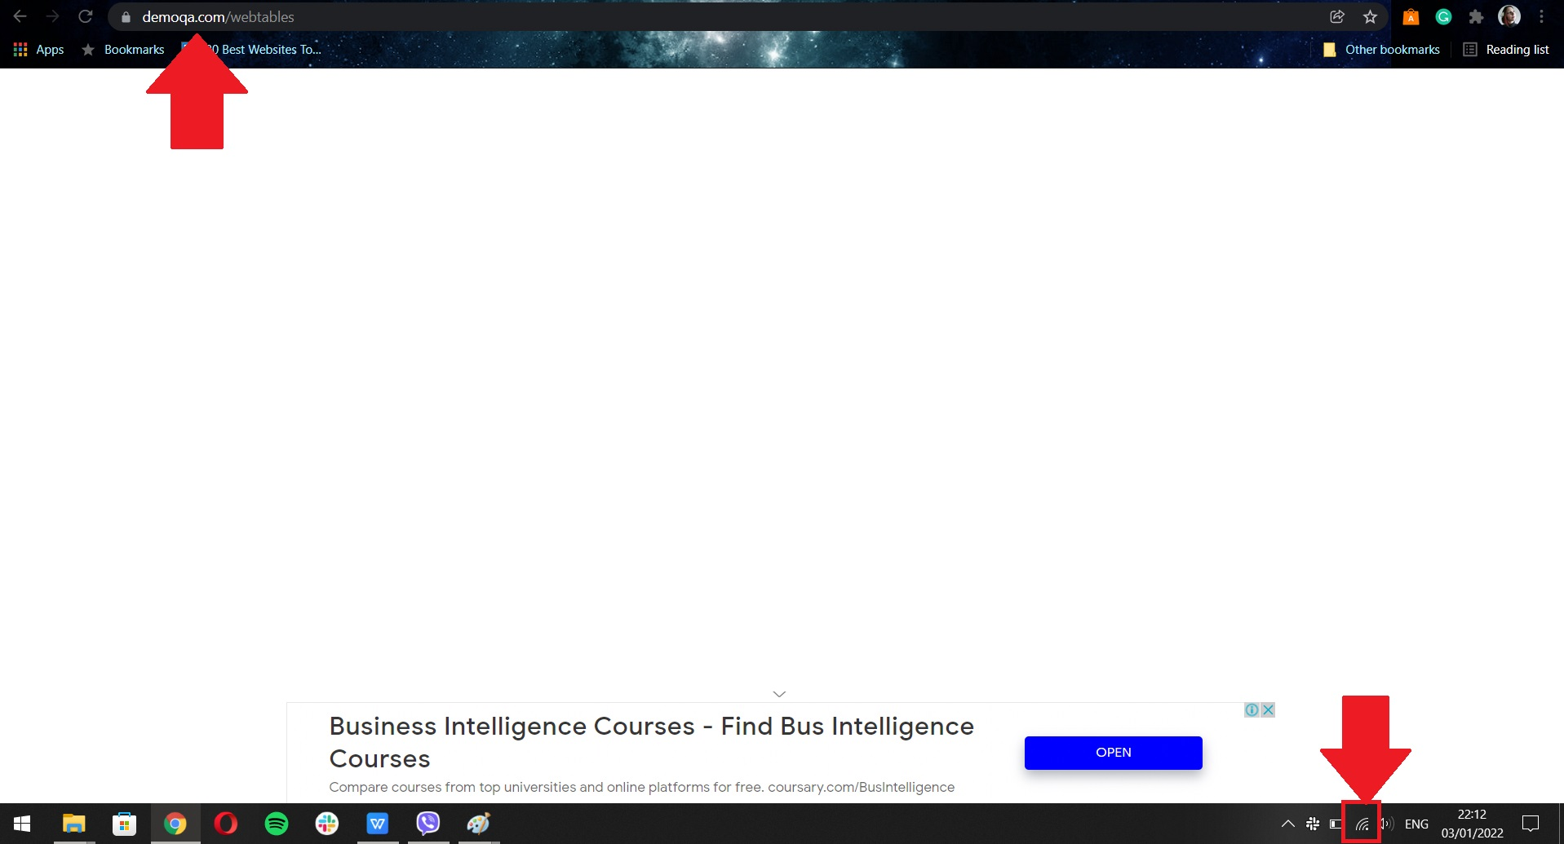
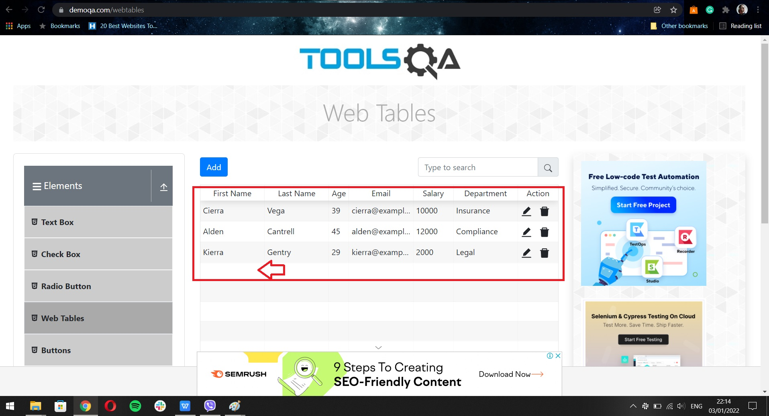
BUG REPORT ID 003
SUMMARY | User is not redirected directly to the "Web tables" page from "Elements" when clicked on "Submit" button, and blank page apears
DESCRIPTION | When all text boxes are filled properly and user clicks on the "Submit" button at the right corner bellow fields, blank page apears, and user is not redirected to the page "Web tables" page from "Elements". Also, new data did not apeared in the list. Problem is not due to internet conection

can be found in: TC ID 11

PRECONDITION | User is on the https://demoqa.com/webtables
STEPS TO REPRODUCE
step 1 | Click on "Add" button
step 2 | Input data in all text boxes with valid data
step 3 | Click anywhere out of pop up page
step 4 | Click on "Add" button, all text boxes are filled with previously inputed data
step 5 | Click on "Submit" button

EXPECTED RESULT | User is redirected to the "Web tables" page from "Elements" and new inputed data apears in the list
ACTUAL RESULT | User is redirected to the blank page, and can only click on reload button in the browser to get back to web site. Data is not saved, and inputed data is lost
PRIORITY | medium
SEVERITY | low
REPO RATE | 10:10:00

SCREEN SHOTS | Scrennshots 1, 2, 3 bellow

